JP
Scope of work |  | Jerry -JP
Complete of
SCOPE OF WORK
Exterior Set of Doors-990 center street
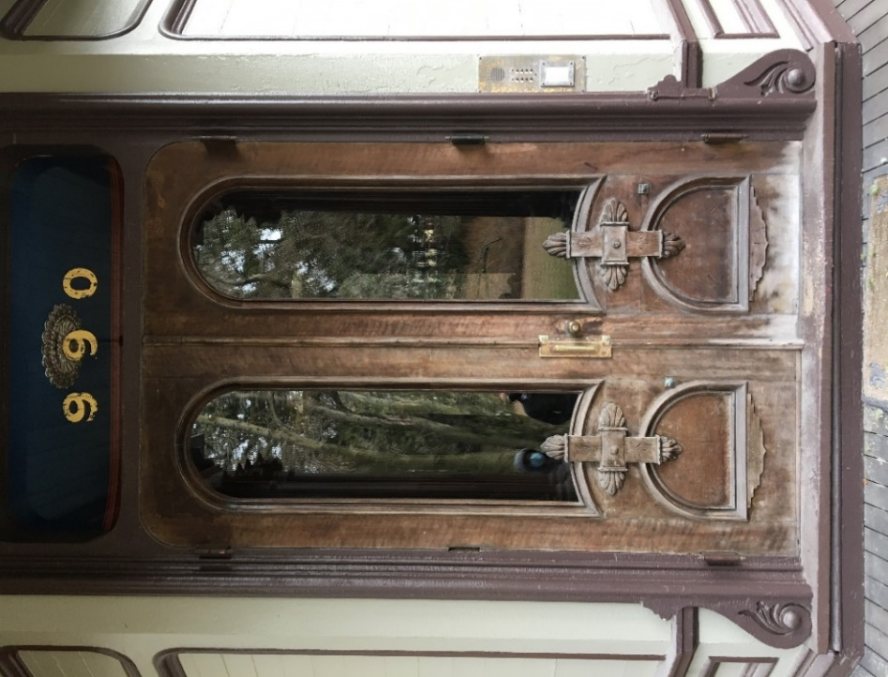
Exterior Set of Doors Natural Finish Restoration |  |  | $7,900.00
 | Exterior:
 |  | Complete abatement of current finish
 |  | Repair any visible wood damage
 |  | Prep the exterior of the doors for natural oil finish.
 |  | Finish: Natural Oil Varnish: Epiphanes (3-5 coats)
 | Interior:
 |  | Clean up the interior, and Prep the current finish for topcoat
 |  | Topcoat the interior side of the doors
 |  | Finish: Natural Oil Varnish
Hardware***
 | Perform Hardware Maintenance
 | Repair the broken hinge, or find an exact replacement
 | Reinstall the hardware
Reinstall the doors assuring full function
Materials, Suppplies and Expenses |  |  | $750.00
Total |  |  | $8,650.00
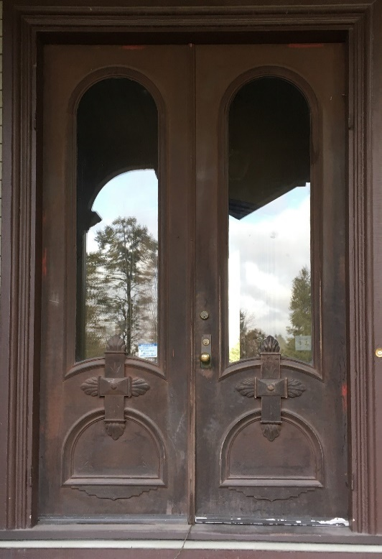
Exterior Set of Doors -(990 #3 center street)
Exterior Set of Doors Natural Finish Restoration |  |  | $8,200.00
 | Exterior:
 |  | Complete abatement of current finish
 |  | Repair any visible wood damage
 |  | Prep the exterior of the doors for natural oil finish.
 |  | Finish: Natural Oil Varnish: Epiphanes (3-5 coats)
 | Interior:
 |  | Clean up the interior , and Prep the current finish for topcoat
 |  | Topcoat the interior side of the doors
 |  | Finish type: Natural Oil Varnish:
 | Hardware
 |  | Perform Hardware Maintenance
 |  | Replace any hardware if necessary (notexpected)
 |  | Reinstall the hardware
 | Reinstall the doors assuring full function
 | Materials, Suppplies and Expenses |  | $750.00
 | Total |  | $8,950.00
Interior Set of Doors -(990 #3 center street)
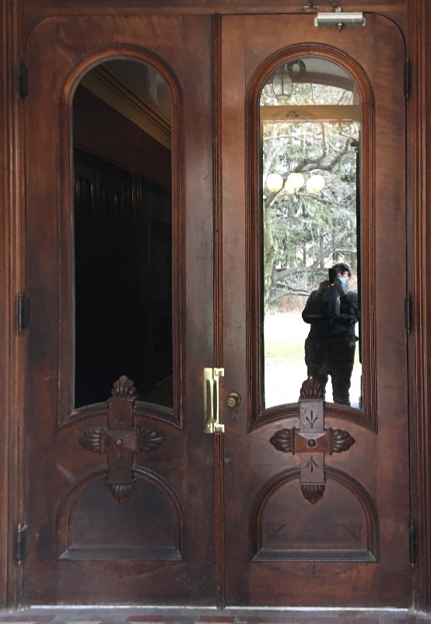
Interior Set of Doors Natural Finish Restoration |  |  | $7,200.00
 | Exterior:
 |  | Complete abatement of current finish
 |  | Repair any visible wood damage
 |  | Prep the exterior of the doors for natural oil finish.
 |  | Finish: Natural Oil Varnish: Epiphanes (3-5 coats)
 | Interior:
 |  | Clean up the interior, and Prep the current finish for topcoat
 |  | Topcoat the interior side of the doors
 |  | Finish: Natural Oil Varnish
Surrounding Woodwork
 |  | Clean the Surrounding woodwork
Hardware
 |  | Perform Hardware Maintenance
 |  | Replace any hardware if necessary (notexpected)
 |  | Reinstall the hardware
Reinstall the doors assuring full function
Materials, Suppplies and Expenses |  |  | $750.00
Total |  |  | $7,950.00
Exterior Set of Doors -(1000 center street)
SCOPE
Exterior Set of Doors Natural Finish Restoration |  |  | $6,500.00
 | Exterior:
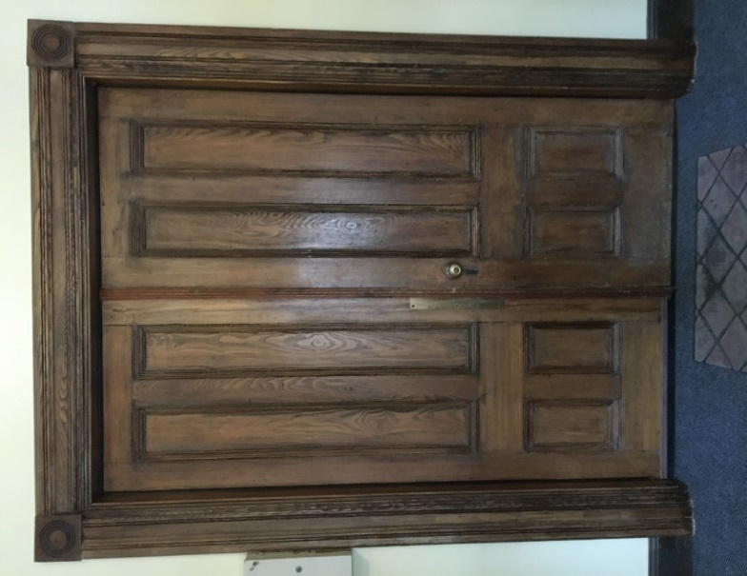
 |  | Complete abatement of current finish
 |  | Repair any visible wood damage
 |  | Prep the exterior of the doors for natural oil finish.
 |  | Finish: Natural Oil Varnish: Epiphanes (3-5 coats)
 | Interior:
 |  | Clean up the interior , and Prep the current finish for topcoat
 |  | Topcoat the interior side of the doors
 |  | Finish: Natural Oil Varnish
Refinish the Surrounding Woodwork |  |  | $1,650.00
 |  | Clean up the interior , and Prep the current finish for topcoat
 |  | Topcoat the interior side of the doors
 |  | Finish: Natural Oil Varnish
Hardware
 | Perform Hardware Maintenance
 | Replace any hardware if necessary (notexpected)
Reinstall the hardware, and doors assuring full function
Materials, Suppplies and Expenses |  |  | $650.00
Total |  |  | $8,800.00
Interior Set of Doors -(1000 center street)
SCOPE
Refinish the Interior Set of Doors |  |  | $5,650.00
 | Exterior:

 |  | Complete abatement of current finish
 |  | Repair any visible wood damage
 |  | Prep the exterior of the doors for natural oil finish.
 |  | Finish: Natural Oil Varnish
 | Interior:
 |  | Clean up the interior , and Prep the current finish for topcoat
 |  | Topcoat the interior side of the doors
 |  | Finish: Natural Oil Varnish
Refinish the Surrounding Woodwork |  |  | $1,650.00
 |  | Clean up the interior , and Prep the current finish for topcoat
 |  | Topcoat the interior side of the doors
 |  | Finish: Natural Oil Varnish
Hardware
 | Perform Hardware Maintenance
 | Replace any hardware if necessary (notexpected)
 | Reinstall the hardware
Reinstall the doors assuring full function
Materials, Suppplies and Expenses |  |  | $450.00
Total |  |  | $7,750.00
Quote Proposed |  |  | $42,100.00

